Worksheet
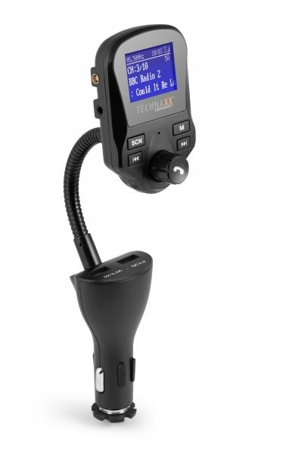
Technaxx FM DAB+ Transmitter FMT1500BT

Item number | 4870 |  | VE | 60
EAN | 4260358124315 |  | Pieces per pallet | 480
Customs number | 85271300 |  | Layers per pallet | 4

Dimensions - item
Length(cm) | Width(cm) | Height(cm) | Weight(g)
22 | 5 | 3.5 | 100

Dimensions - item packaging
Length(cm) | Width(cm) | Height(cm) | Tare(g) | Weight(g) product + packaging
11.7 | 5.3 | 24.1 | 53 | 250

Dimensions - VE box (master box)
Length(cm) | Width(cm) | Height(cm) | Weight(g)
55.5 | 52.5 | 38 | 16200

Packaging - components
Rest of accessories (g) | Paper / cardboard (g) | Styrofoam (g) | Plastic hollow body(g) | Plastic. foils(g) | Composite materials (g)
50 | 13 | 0 | 31 | 2 | 0

Further informations
Technaxx reseller portal

