Worksheet
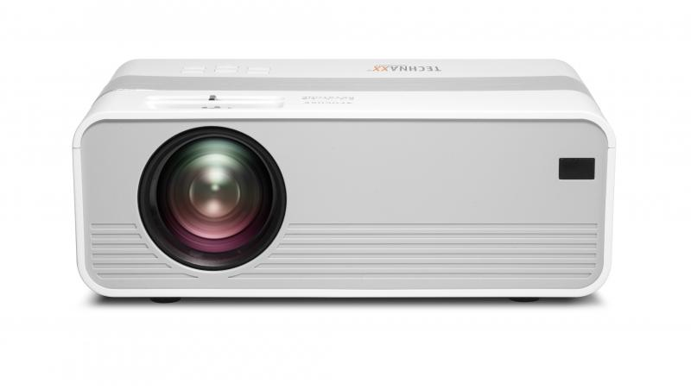
Technaxx Mini-LED HD Beamer TX-127

Item number | 4869 |  | VE | 10
EAN | 4260358123769 |  | Pieces per pallet | 200
Customs number | 85286200 |  | Layers per pallet | 5
UPC | 810016320319
Dimensions - item
Length(inch) | Width(inch) | Height(inch) | Weight(oz)
8.27 | 5.91 | 3.15 | 34,57

Dimensions - item packaging
Length(inch) | Width(inch) | Height(inch) | Tare(oz) | Weight(oz) product + packaging
11.42 | 4.13 | 7.48 | 5,64 | 52,21

Dimensions - VE box (master box)
Length(inch) | Width(inch) | Height(inch) | Weight(oz)
21.65 | 15.94 | 12.4 | 550,27

Packaging - components
Rest of accessories (oz) | Paper / cardboard (oz) | Styrofoam (oz) | Plastic hollow body(oz) | Plastic. foils(oz) | Composite materials (oz)
8,96 | 1,90 | 0,00 | 0,00 | 1,27 | 0,00

Further informations
Technaxx reseller portal

