Worksheet
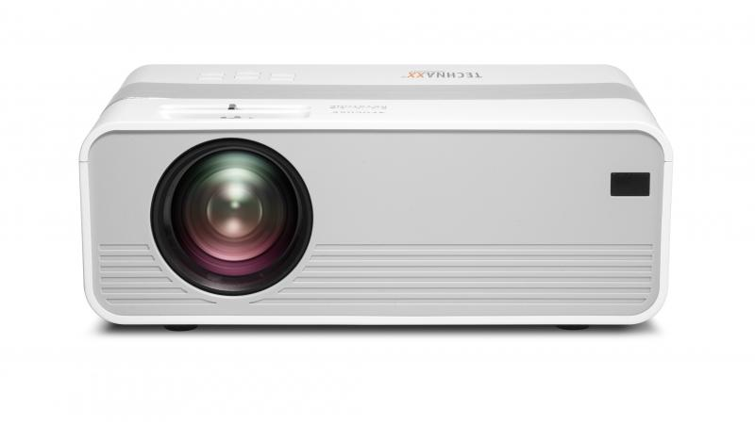
Technaxx Mini-LED HD Beamer TX-127

Item number | 4869 |  | VE | 10
EAN | 4260358123769 |  | Pieces per pallet | 200
Customs number | 85286200 |  | Layers per pallet | 5

Dimensions - item
Length(cm) | Width(cm) | Height(cm) | Weight(g)
21 | 15 | 8 | 980

Dimensions - item packaging
Length(cm) | Width(cm) | Height(cm) | Tare(g) | Weight(g) product + packaging
29 | 10.5 | 19 | 160 | 1480

Dimensions - VE box (master box)
Length(cm) | Width(cm) | Height(cm) | Weight(g)
55 | 40.5 | 31.5 | 15600

Packaging - components
Rest of accessories (g) | Paper / cardboard (g) | Styrofoam (g) | Plastic hollow body(g) | Plastic. foils(g) | Composite materials (g)
254 | 54 | 0 | 0 | 36 | 0

Further informations
Technaxx reseller portal

