Worksheet
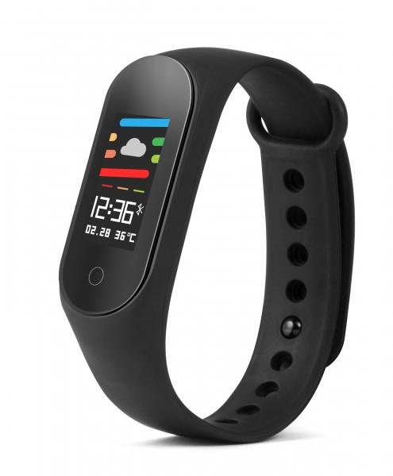
Technaxx Fitness tracker with colour display TX-HR6

Item number | 4865 |  | VE | 50
EAN | 4260358124278 |  | Pieces per pallet | 2400
Customs number | 91021200 |  | Layers per pallet | 6
UPC | 0
Dimensions - item
Length(inch) | Width(inch) | Height(inch) | Weight(oz)
1.65 | 0.79 | 0.47 | 0,88

Dimensions - item packaging
Length(inch) | Width(inch) | Height(inch) | Tare(oz) | Weight(oz) product + packaging
2.64 | 2.05 | 4.72 | 1,20 | 2,72

Dimensions - VE box (master box)
Length(inch) | Width(inch) | Height(inch) | Weight(oz)
14.17 | 11.42 | 10.63 | 176,37

Packaging - components
Rest of accessories (oz) | Paper / cardboard (oz) | Styrofoam (oz) | Plastic hollow body(oz) | Plastic. foils(oz) | Composite materials (oz)
0,00 | 0,67 | 0,07 | 0,00 | 0,00 | 0,00

Battery / accumulator informations
Battery needed | Battery included | Type of battery | Battery system(typus)
Yes | Yes | None | LiPoly - Lithium-Polymer-Akku
Quantity(piece) | Weight per piece.(oz) | Energy density(WH/Kg) | Power (WH)
1 | 0,28 | 0 | 0

Lithium battery
Energy content | Weight (oz)
0.09 | 0,28

Further informations
Technaxx reseller portal

