Worksheet
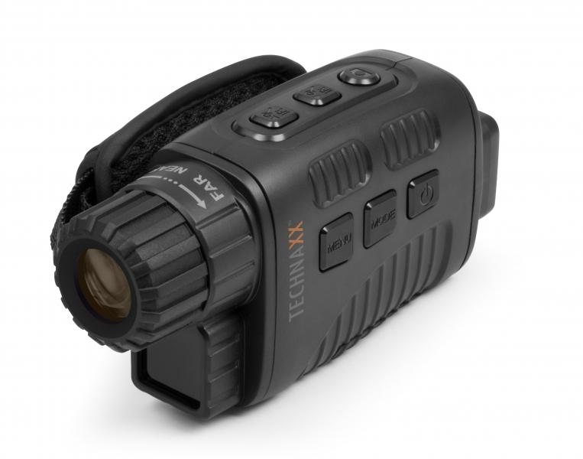
Technaxx Nightvision Camcorder TX-141

Item number | 4862 |  | VE | 40
EAN | 4260358124223 |  | Pieces per pallet | 800
Customs number | 85258300 |  | Layers per pallet | 5
UPC | 0
Dimensions - item
Length(inch) | Width(inch) | Height(inch) | Weight(oz)
5.51 | 1.89 | 2.72 | 6,00

Dimensions - item packaging
Length(inch) | Width(inch) | Height(inch) | Tare(oz) | Weight(oz) product + packaging
4.72 | 2.76 | 6.1 | 1,76 | 15,52

Dimensions - VE box (master box)
Length(inch) | Width(inch) | Height(inch) | Weight(oz)
19.88 | 14.37 | 13.19 | 637,05

Packaging - components
Rest of accessories (oz) | Paper / cardboard (oz) | Styrofoam (oz) | Plastic hollow body(oz) | Plastic. foils(oz) | Composite materials (oz)
5,01 | 1,34 | 0,00 | 0,95 | 0,14 | 0,00

Battery / accumulator informations
Battery needed | Battery included | Type of battery | Battery system(typus)
Yes | Yes | Mignon-Batterie AA | Al-Mn - Alkali-Batterie
Quantity(piece) | Weight per piece.(oz) | Energy density(WH/Kg) | Power (WH)
5 | 0,81 | 187.5 | 22.5

Lithium battery
Energy content | Weight (oz)
0 | 4,06

Further informations
Technaxx reseller portal

