Worksheet
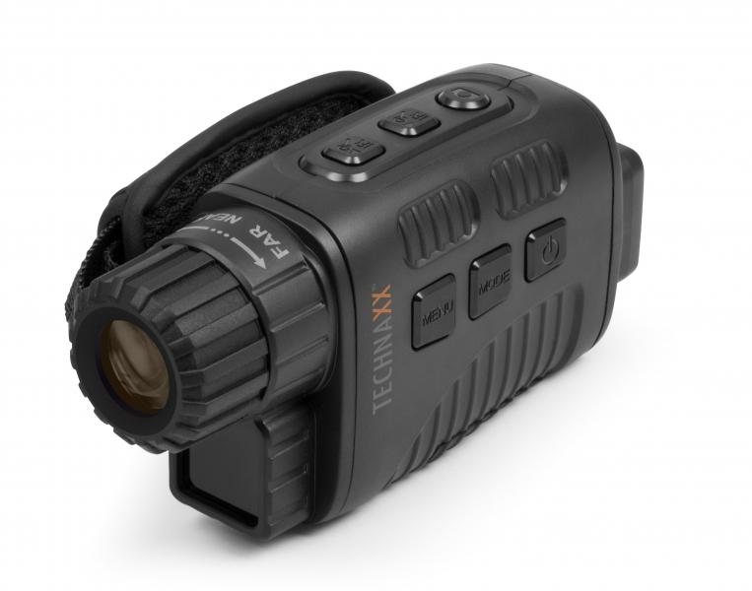
Technaxx Nightvision Camcorder TX-141

Item number | 4862 |  | VE | 40
EAN | 4260358124223 |  | Pieces per pallet | 800
Customs number | 85258300 |  | Layers per pallet | 5

Dimensions - item
Length(cm) | Width(cm) | Height(cm) | Weight(g)
14 | 4.8 | 6.9 | 170

Dimensions - item packaging
Length(cm) | Width(cm) | Height(cm) | Tare(g) | Weight(g) product + packaging
12 | 7 | 15.5 | 50 | 440

Dimensions - VE box (master box)
Length(cm) | Width(cm) | Height(cm) | Weight(g)
50.5 | 36.5 | 33.5 | 18060

Packaging - components
Rest of accessories (g) | Paper / cardboard (g) | Styrofoam (g) | Plastic hollow body(g) | Plastic. foils(g) | Composite materials (g)
142 | 38 | 0 | 27 | 4 | 0

Battery / accumulator informations
Battery needed | Battery included | Type of battery | Battery system(typus)
Yes | Yes | Mignon-Batterie AA | Al-Mn - Alkali-Batterie
Quantity(piece) | Weight per piece.(g) | Energy density(WH/Kg) | Power (WH)
5 | 23 | 187.5 | 22.5

Lithium battery
Energy content | Weight (Kg)
0 | 115

Further informations
Technaxx reseller portal

