Worksheet
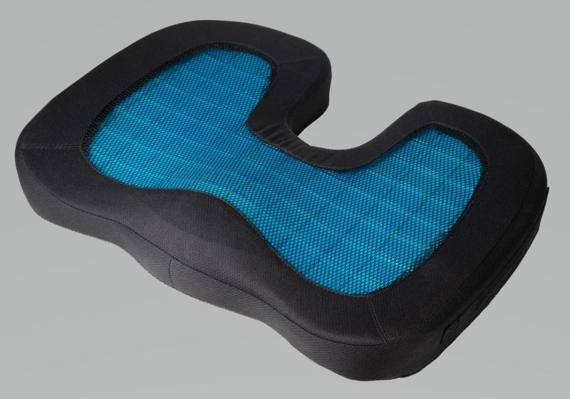
Lifenaxx Seat cushion with gel insert LX-014

Item number | 4861 |  | VE | 7
EAN | 4260358128030 |  | Pieces per pallet | 96
Customs number | 94049090 |  | Layers per pallet | 4
UPC | 0
Dimensions - item
Length(inch) | Width(inch) | Height(inch) | Weight(oz)
17.91 | 13.78 | 2.76 | 29,14

Dimensions - item packaging
Length(inch) | Width(inch) | Height(inch) | Tare(oz) | Weight(oz) product + packaging
17.91 | 13.78 | 2.76 | 27,23 | 30,76

Dimensions - VE box (master box)
Length(inch) | Width(inch) | Height(inch) | Weight(oz)
18.31 | 14.37 | 8.27 | 110,05

Packaging - components
Rest of accessories (oz) | Paper / cardboard (oz) | Styrofoam (oz) | Plastic hollow body(oz) | Plastic. foils(oz) | Composite materials (oz)
0,00 | 1,62 | 0,00 | 0,00 | 0,35 | 0,00

Further informations
Technaxx reseller portal

