Worksheet
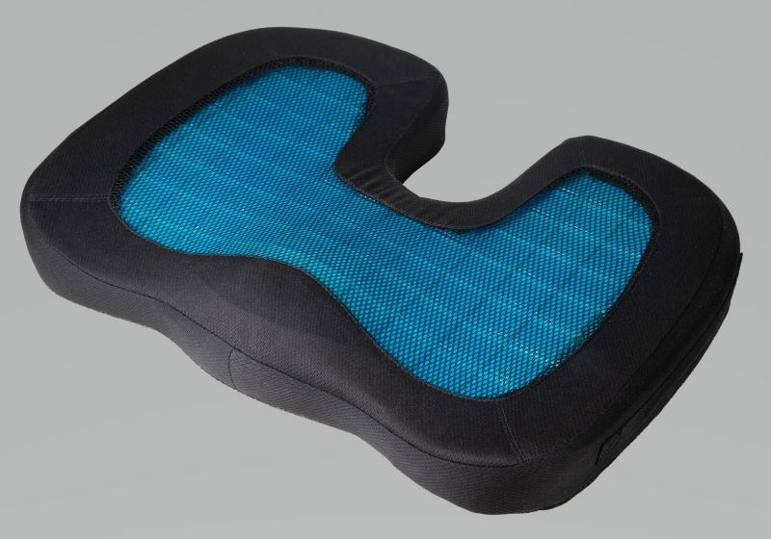
Lifenaxx Seat cushion with gel insert LX-014

Item number | 4861 |  | VE | 7
EAN | 4260358128030 |  | Pieces per pallet | 96
Customs number | 94049090 |  | Layers per pallet | 4

Dimensions - item
Length(cm) | Width(cm) | Height(cm) | Weight(g)
45.5 | 35 | 7 | 826

Dimensions - item packaging
Length(cm) | Width(cm) | Height(cm) | Tare(g) | Weight(g) product + packaging
45.5 | 35 | 7 | 772 | 872

Dimensions - VE box (master box)
Length(cm) | Width(cm) | Height(cm) | Weight(g)
46.5 | 36.5 | 21 | 3120

Packaging - components
Rest of accessories (g) | Paper / cardboard (g) | Styrofoam (g) | Plastic hollow body(g) | Plastic. foils(g) | Composite materials (g)
0 | 46 | 0 | 0 | 10 | 0

Further informations
Technaxx reseller portal

