Worksheet
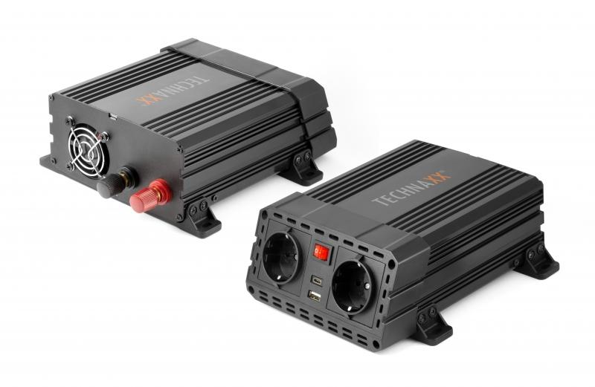
Power Inverter 600W TE19

Item number | 4857 |  | VE | 6
EAN | 4260358123806 |  | Pieces per pallet | 216
Customs number | 8504408790 |  | Layers per pallet | 6

Dimensions - item
Length(cm) | Width(cm) | Height(cm) | Weight(g)
20 | 16 | 7.5 | 1160

Dimensions - item packaging
Length(cm) | Width(cm) | Height(cm) | Tare(g) | Weight(g) product + packaging
24 | 20 | 8 | 186 | 1550

Dimensions - VE box (master box)
Length(cm) | Width(cm) | Height(cm) | Weight(g)
41 | 26 | 27 | 9000

Packaging - components
Rest of accessories (g) | Paper / cardboard (g) | Styrofoam (g) | Plastic hollow body(g) | Plastic. foils(g) | Composite materials (g)
85 | 120 | 0 | 0 | 6 | 0

Further informations
Technaxx reseller portal

