Worksheet
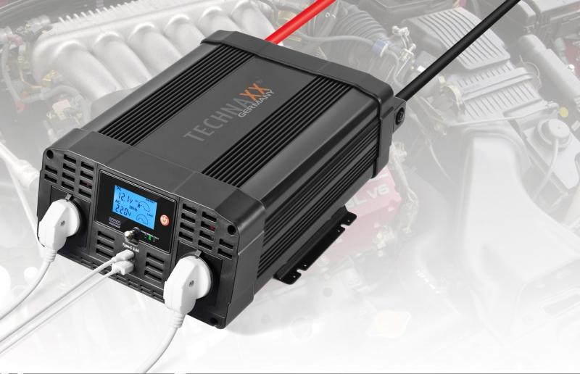
Power Inverter 2000W TE20

Item number | 4856 |  | VE | 2
EAN | 4260358123813 |  | Pieces per pallet | 48
Customs number | 8504408790 |  | Layers per pallet | 4
UPC | 0
Dimensions - item
Length(inch) | Width(inch) | Height(inch) | Weight(oz)
14.17 | 10.24 | 4.72 | 148,15

Dimensions - item packaging
Length(inch) | Width(inch) | Height(inch) | Tare(oz) | Weight(oz) product + packaging
16.34 | 11.3 | 7.09 | 15,03 | 183,78

Dimensions - VE box (master box)
Length(inch) | Width(inch) | Height(inch) | Weight(oz)
16.73 | 11.81 | 15.16 | 335,10

Packaging - components
Rest of accessories (oz) | Paper / cardboard (oz) | Styrofoam (oz) | Plastic hollow body(oz) | Plastic. foils(oz) | Composite materials (oz)
11,29 | 4,73 | 4,44 | 0,00 | 0,14 | 0,00

Further informations
Technaxx reseller portal

