Worksheet
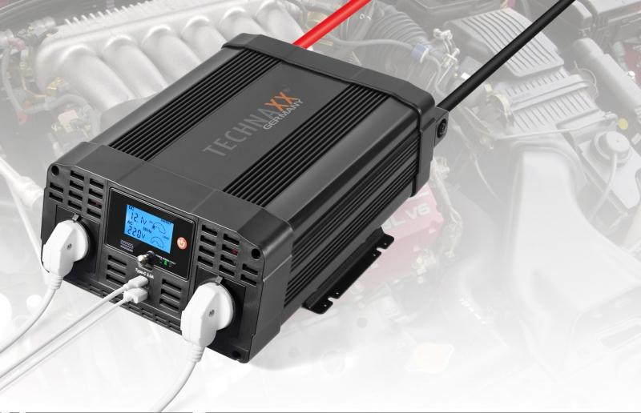
Power Inverter 2000W TE20

Item number | 4856 |  | VE | 2
EAN | 4260358123813 |  | Pieces per pallet | 48
Customs number | 8504408790 |  | Layers per pallet | 4

Dimensions - item
Length(cm) | Width(cm) | Height(cm) | Weight(g)
36 | 26 | 12 | 4200

Dimensions - item packaging
Length(cm) | Width(cm) | Height(cm) | Tare(g) | Weight(g) product + packaging
41.5 | 28.7 | 18 | 426 | 5210

Dimensions - VE box (master box)
Length(cm) | Width(cm) | Height(cm) | Weight(g)
42.5 | 30 | 38.5 | 9500

Packaging - components
Rest of accessories (g) | Paper / cardboard (g) | Styrofoam (g) | Plastic hollow body(g) | Plastic. foils(g) | Composite materials (g)
320 | 134 | 126 | 0 | 4 | 0

Further informations
Technaxx reseller portal

