Worksheet
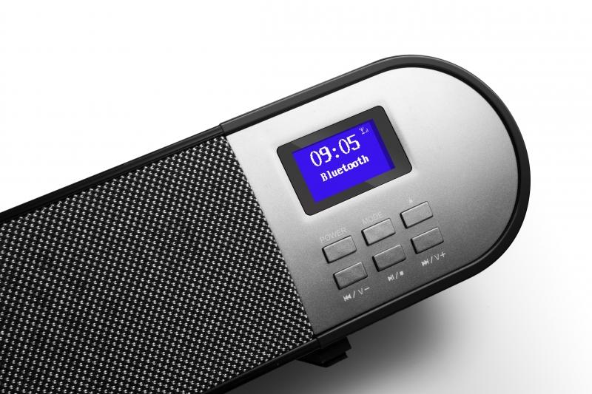
Technaxx DAB+ Soundbar TX-139

Item number | 4853 |  | VE | 1
EAN | 4260358124384 |  | Pieces per pallet | 60
Customs number | 85279100 |  | Layers per pallet | 5
UPC | 810016320423
Dimensions - item
Length(inch) | Width(inch) | Height(inch) | Weight(oz)
38.19 | 2.76 | 2.76 | 67,73

Dimensions - item packaging
Length(inch) | Width(inch) | Height(inch) | Tare(oz) | Weight(oz) product + packaging
41.34 | 4.53 | 4.53 | 11,64 | 89,45

Dimensions - VE box (master box)
Length(inch) | Width(inch) | Height(inch) | Weight(oz)
42.13 | 10.51 | 10.12 | 380,25

Packaging - components
Rest of accessories (oz) | Paper / cardboard (oz) | Styrofoam (oz) | Plastic hollow body(oz) | Plastic. foils(oz) | Composite materials (oz)
9,63 | 0,85 | 0,85 | 0,00 | 0,53 | 0,00

Battery / accumulator informations
Battery needed | Battery included | Type of battery | Battery system(typus)
Yes | Yes | Micro-Batterie AAA | Al-Mn - Alkali-Batterie
Quantity(piece) | Weight per piece.(oz) | Energy density(WH/Kg) | Power (WH)
2 | 0,88 | 0 | 0

Lithium battery
Energy content | Weight (oz)
0 | 0,88

Further informations
Technaxx reseller portal

