Worksheet
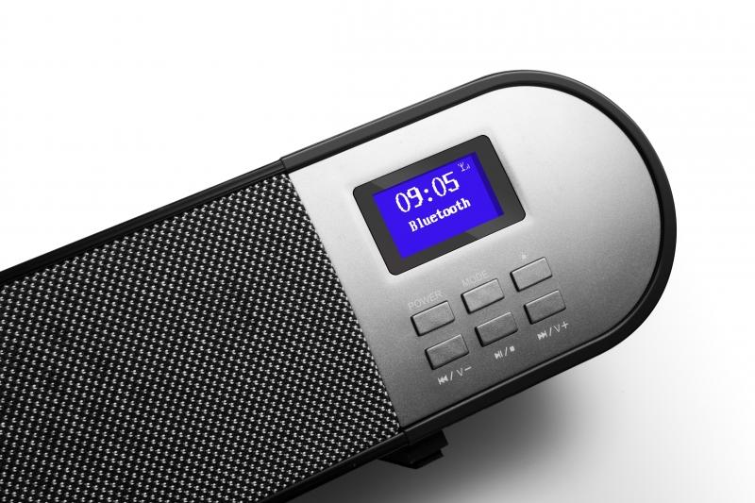
Technaxx DAB+ Soundbar TX-139

Item number | 4853 |  | VE | 1
EAN | 4260358124384 |  | Pieces per pallet | 60
Customs number | 85279100 |  | Layers per pallet | 5

Dimensions - item
Length(cm) | Width(cm) | Height(cm) | Weight(g)
97 | 7 | 7 | 1920

Dimensions - item packaging
Length(cm) | Width(cm) | Height(cm) | Tare(g) | Weight(g) product + packaging
105 | 11.5 | 11.5 | 330 | 2536

Dimensions - VE box (master box)
Length(cm) | Width(cm) | Height(cm) | Weight(g)
107 | 26.7 | 25.7 | 10780

Packaging - components
Rest of accessories (g) | Paper / cardboard (g) | Styrofoam (g) | Plastic hollow body(g) | Plastic. foils(g) | Composite materials (g)
273 | 24 | 24 | 0 | 15 | 0

Battery / accumulator informations
Battery needed | Battery included | Type of battery | Battery system(typus)
Yes | Yes | Micro-Batterie AAA | Al-Mn - Alkali-Batterie
Quantity(piece) | Weight per piece.(g) | Energy density(WH/Kg) | Power (WH)
2 | 25 | 0 | 0

Lithium battery
Energy content | Weight (Kg)
0 | 25

Further informations
Technaxx reseller portal

