Worksheet
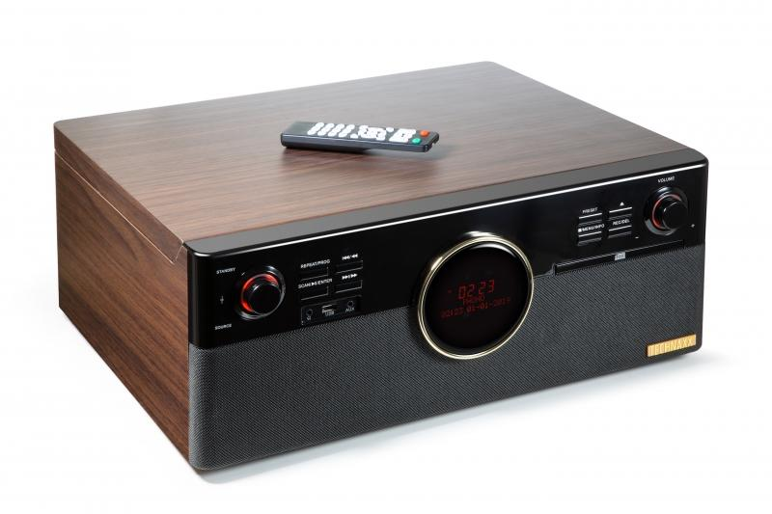
Technaxx DAB+ Bluetooth Record-Player TX-137

Item number | 4850 |  | VE | 1
EAN | 4260358124360 |  | Pieces per pallet | 18
Customs number | 85271300 |  | Layers per pallet | 3
UPC | 0
Dimensions - item
Length(inch) | Width(inch) | Height(inch) | Weight(oz)
18.9 | 16.54 | 7.68 | 248,33

Dimensions - item packaging
Length(inch) | Width(inch) | Height(inch) | Tare(oz) | Weight(oz) product + packaging
21.26 | 10.24 | 20.67 | 31,75 | 299,12

Dimensions - VE box (master box)
Length(inch) | Width(inch) | Height(inch) | Weight(oz)
22.05 | 10.71 | 21.26 | 300,53

Packaging - components
Rest of accessories (oz) | Paper / cardboard (oz) | Styrofoam (oz) | Plastic hollow body(oz) | Plastic. foils(oz) | Composite materials (oz)
5,93 | 7,51 | 6,35 | 0,00 | 0,28 | 0,00

Battery / accumulator informations
Battery needed | Battery included | Type of battery | Battery system(typus)
Yes | Yes | Micro-Batterie AAA | Al-Mn - Alkali-Batterie
Quantity(piece) | Weight per piece.(oz) | Energy density(WH/Kg) | Power (WH)
2 | 0,39 | 0 | 0

Lithium battery
Energy content | Weight (oz)
0 | 0,00

Further informations
Technaxx reseller portal

