Worksheet
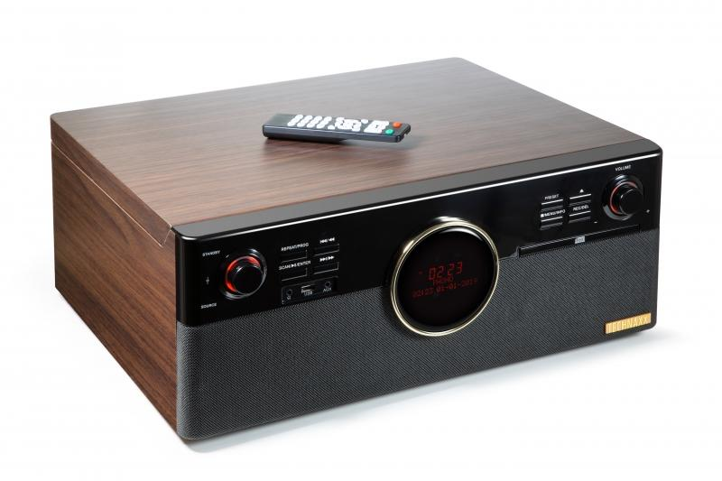
Technaxx DAB+ Bluetooth Record-Player TX-137

Item number | 4850 |  | VE | 1
EAN | 4260358124360 |  | Pieces per pallet | 18
Customs number | 85271300 |  | Layers per pallet | 3

Dimensions - item
Length(cm) | Width(cm) | Height(cm) | Weight(g)
48 | 42 | 19.5 | 7040

Dimensions - item packaging
Length(cm) | Width(cm) | Height(cm) | Tare(g) | Weight(g) product + packaging
54 | 26 | 52.5 | 900 | 8480

Dimensions - VE box (master box)
Length(cm) | Width(cm) | Height(cm) | Weight(g)
56 | 27.2 | 54 | 8520

Packaging - components
Rest of accessories (g) | Paper / cardboard (g) | Styrofoam (g) | Plastic hollow body(g) | Plastic. foils(g) | Composite materials (g)
168 | 213 | 180 | 0 | 8 | 0

Battery / accumulator informations
Battery needed | Battery included | Type of battery | Battery system(typus)
Yes | Yes | Micro-Batterie AAA | Al-Mn - Alkali-Batterie
Quantity(piece) | Weight per piece.(g) | Energy density(WH/Kg) | Power (WH)
2 | 11 | 0 | 0

Lithium battery
Energy content | Weight (Kg)
0 | 0

Further informations
Technaxx reseller portal

