Worksheet
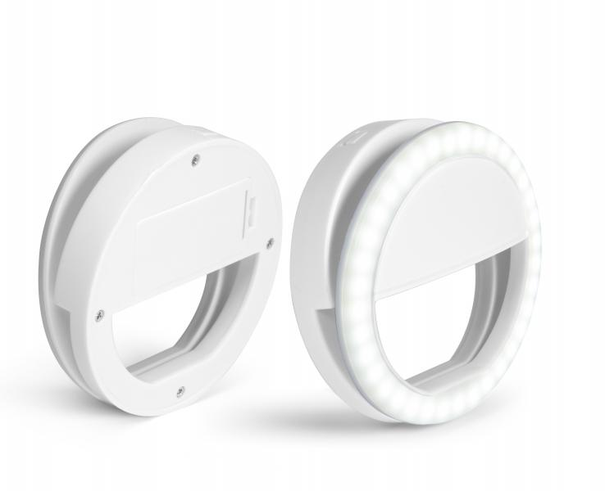
TrendGeek Smartphone Selfie Light TG-130

Item number | 4830 |  | VE | 12
EAN | 4260358129006 |  | Pieces per pallet | no information
Customs number | 94054039 |  | Layers per pallet | no information
UPC | 0
Dimensions - item
Length(inch) | Width(inch) | Height(inch) | Weight(oz)
3.35 | 3.35 | 1.1 | 1,76

Dimensions - item packaging
Length(inch) | Width(inch) | Height(inch) | Tare(oz) | Weight(oz) product + packaging
3.94 | 3.94 | 1.34 | 0,00 | 2,47

Dimensions - VE box (master box)
Length(inch) | Width(inch) | Height(inch) | Weight(oz)
0 | 0 | 0 | 0,00

Packaging - components
Rest of accessories (oz) | Paper / cardboard (oz) | Styrofoam (oz) | Plastic hollow body(oz) | Plastic. foils(oz) | Composite materials (oz)
0,00 | 0,00 | 0,00 | 0,00 | 0,00 | 0,00

Further informations
Technaxx reseller portal

