Worksheet
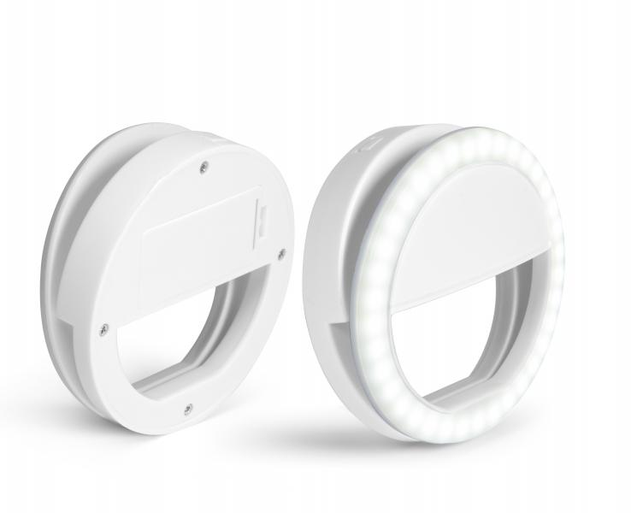
TrendGeek Smartphone Selfie Light TG-130

Item number | 4830 |  | VE | 12
EAN | 4260358129006 |  | Pieces per pallet | no information
Customs number | 94054039 |  | Layers per pallet | no information

Dimensions - item
Length(cm) | Width(cm) | Height(cm) | Weight(g)
8.5 | 8.5 | 2.8 | 50

Dimensions - item packaging
Length(cm) | Width(cm) | Height(cm) | Tare(g) | Weight(g) product + packaging
10 | 10 | 3.4 | 0 | 70

Dimensions - VE box (master box)
Length(cm) | Width(cm) | Height(cm) | Weight(g)
0 | 0 | 0 | 0

Packaging - components
Rest of accessories (g) | Paper / cardboard (g) | Styrofoam (g) | Plastic hollow body(g) | Plastic. foils(g) | Composite materials (g)
0 | 0 | 0 | 0 | 0 | 0

Further informations
Technaxx reseller portal

