Worksheet
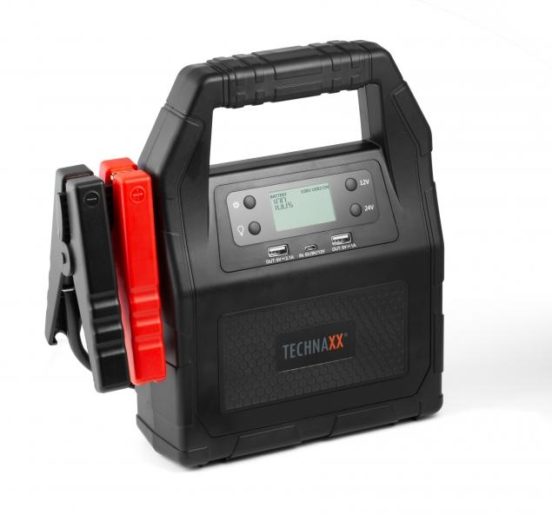
Technaxx Auto Truck Jump Starter 30000mAh TX-121

Item number | 4819 |  | VE | 5
EAN | 4260358123691 |  | Pieces per pallet | 75
Customs number | 85076000 |  | Layers per pallet | 5
UPC | 0
Dimensions - item
Length(inch) | Width(inch) | Height(inch) | Weight(oz)
9.76 | 9.76 | 3.78 | 66,67

Dimensions - item packaging
Length(inch) | Width(inch) | Height(inch) | Tare(oz) | Weight(oz) product + packaging
12.01 | 4.72 | 11.61 | 11,75 | 89,24

Dimensions - VE box (master box)
Length(inch) | Width(inch) | Height(inch) | Weight(oz)
24.41 | 12.6 | 12.4 | 473,38

Packaging - components
Rest of accessories (oz) | Paper / cardboard (oz) | Styrofoam (oz) | Plastic hollow body(oz) | Plastic. foils(oz) | Composite materials (oz)
3,10 | 4,94 | 2,65 | 0,00 | 0,00 | 0,00

Battery / accumulator informations
Battery needed | Battery included | Type of battery | Battery system(typus)
Yes | Yes | Akku | LiPoly - Lithium-Polymer-Akku
Quantity(piece) | Weight per piece.(oz) | Energy density(WH/Kg) | Power (WH)
1 | 61,73 | 0 | 0

Lithium battery
Energy content | Weight (oz)
30 | 61,73

Further informations
Technaxx reseller portal

