Worksheet
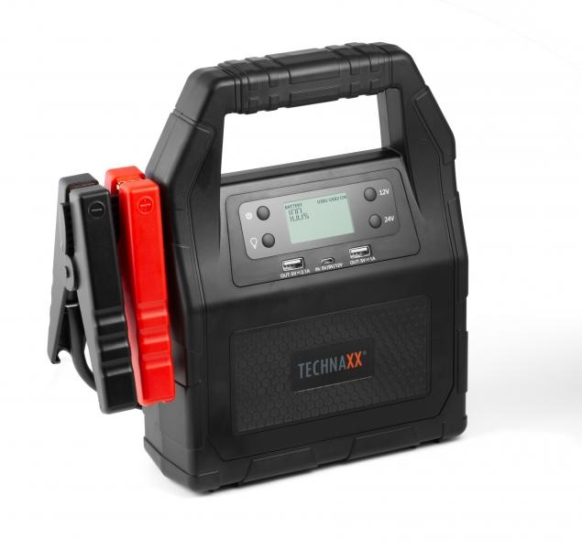
Technaxx Auto Truck Jump Starter 30000mAh TX-121

Item number | 4819 |  | VE | 5
EAN | 4260358123691 |  | Pieces per pallet | 75
Customs number | 85076000 |  | Layers per pallet | 5

Dimensions - item
Length(cm) | Width(cm) | Height(cm) | Weight(g)
24.8 | 24.8 | 9.6 | 1890

Dimensions - item packaging
Length(cm) | Width(cm) | Height(cm) | Tare(g) | Weight(g) product + packaging
30.5 | 12 | 29.5 | 333 | 2530

Dimensions - VE box (master box)
Length(cm) | Width(cm) | Height(cm) | Weight(g)
62 | 32 | 31.5 | 13420

Packaging - components
Rest of accessories (g) | Paper / cardboard (g) | Styrofoam (g) | Plastic hollow body(g) | Plastic. foils(g) | Composite materials (g)
88 | 140 | 75 | 0 | 0 | 0

Battery / accumulator informations
Battery needed | Battery included | Type of battery | Battery system(typus)
Yes | Yes | Akku | LiPoly - Lithium-Polymer-Akku
Quantity(piece) | Weight per piece.(g) | Energy density(WH/Kg) | Power (WH)
1 | 1750 | 0 | 0

Lithium battery
Energy content | Weight (Kg)
30 | 1750

Further informations
Technaxx reseller portal

