Worksheet
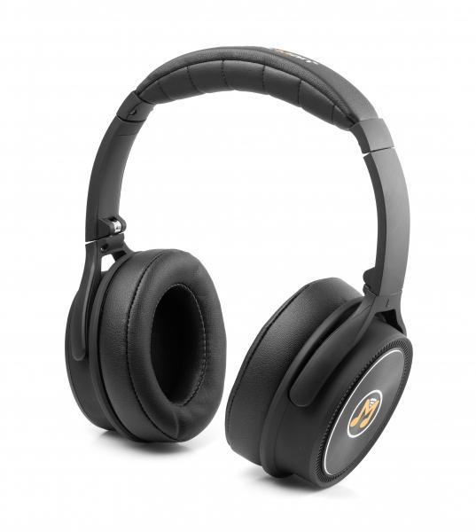
MusicMan ANC Overear Headphone BT-X43

Item number | 4808 |  | VE | 10
EAN | 4260358120287 |  | Pieces per pallet | 420
Customs number | 85183000 |  | Layers per pallet | 7
UPC | 0
Dimensions - item
Length(inch) | Width(inch) | Height(inch) | Weight(oz)
6.89 | 3.35 | 7.87 | 7,76

Dimensions - item packaging
Length(inch) | Width(inch) | Height(inch) | Tare(oz) | Weight(oz) product + packaging
6.89 | 3.35 | 7.87 | 2,65 | 13,05

Dimensions - VE box (master box)
Length(inch) | Width(inch) | Height(inch) | Weight(oz)
17.52 | 14.37 | 9.06 | 151,68

Packaging - components
Rest of accessories (oz) | Paper / cardboard (oz) | Styrofoam (oz) | Plastic hollow body(oz) | Plastic. foils(oz) | Composite materials (oz)
0,88 | 0,67 | 0,00 | 1,55 | 0,21 | 0,00

Battery / accumulator informations
Battery needed | Battery included | Type of battery | Battery system(typus)
Yes | Yes | Akku | LiPoly - Lithium-Polymer-Akku
Quantity(piece) | Weight per piece.(oz) | Energy density(WH/Kg) | Power (WH)
1 | 1,59 | 0 | 0

Lithium battery
Energy content | Weight (oz)
0.24 | 0,16

Further informations
Technaxx reseller portal

