Worksheet
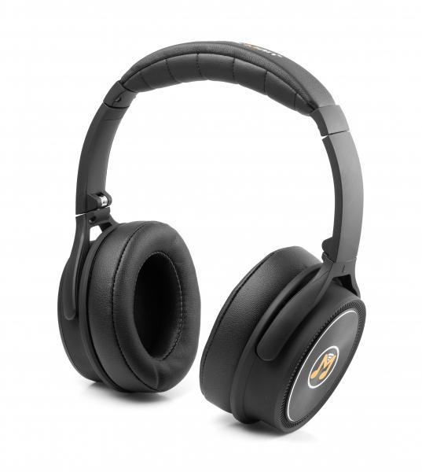
MusicMan ANC Overear Headphone BT-X43

Item number | 4808 |  | VE | 10
EAN | 4260358120287 |  | Pieces per pallet | 420
Customs number | 85183000 |  | Layers per pallet | 7

Dimensions - item
Length(cm) | Width(cm) | Height(cm) | Weight(g)
17.5 | 8.5 | 20 | 220

Dimensions - item packaging
Length(cm) | Width(cm) | Height(cm) | Tare(g) | Weight(g) product + packaging
17.5 | 8.5 | 20 | 75 | 370

Dimensions - VE box (master box)
Length(cm) | Width(cm) | Height(cm) | Weight(g)
44.5 | 36.5 | 23 | 4300

Packaging - components
Rest of accessories (g) | Paper / cardboard (g) | Styrofoam (g) | Plastic hollow body(g) | Plastic. foils(g) | Composite materials (g)
25 | 19 | 0 | 44 | 6 | 0

Battery / accumulator informations
Battery needed | Battery included | Type of battery | Battery system(typus)
Yes | Yes | Akku | LiPoly - Lithium-Polymer-Akku
Quantity(piece) | Weight per piece.(g) | Energy density(WH/Kg) | Power (WH)
1 | 45 | 0 | 0

Lithium battery
Energy content | Weight (Kg)
0.24 | 4.5

Further informations
Technaxx reseller portal

