Worksheet
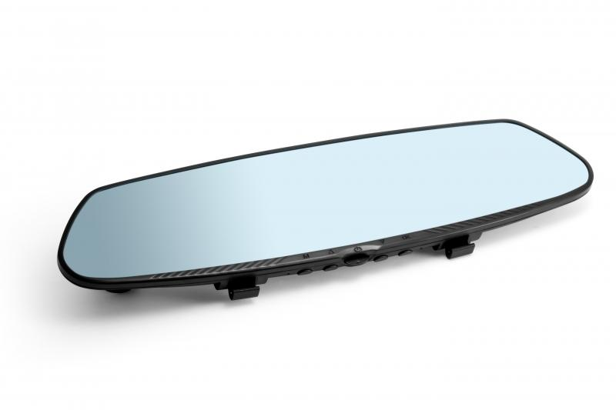
Technaxx HD Rearview Mirrow Dash Cam TX-124

Item number | 4805 |  | VE | 10
EAN | 4260358123080 |  | Pieces per pallet | no information
Customs number | 8525809190 |  | Layers per pallet | no information
UPC | 0
Dimensions - item
Length(inch) | Width(inch) | Height(inch) | Weight(oz)
11.81 | 3.15 | 1.38 | 7,05

Dimensions - item packaging
Length(inch) | Width(inch) | Height(inch) | Tare(oz) | Weight(oz) product + packaging
13.5 | 4.72 | 3.74 | 12,56 | 33,16

Dimensions - VE box (master box)
Length(inch) | Width(inch) | Height(inch) | Weight(oz)
19.49 | 14.17 | 10.04 | 352,74

Packaging - components
Rest of accessories (oz) | Paper / cardboard (oz) | Styrofoam (oz) | Plastic hollow body(oz) | Plastic. foils(oz) | Composite materials (oz)
6,35 | 4,90 | 0,99 | 0,00 | 0,25 | 0,00

Further informations
Technaxx reseller portal

