Worksheet
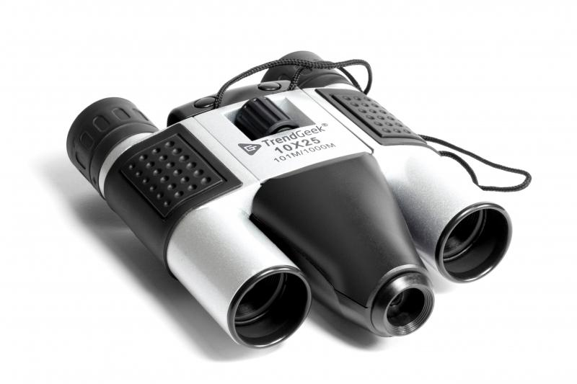
TrendGeek Binocular with Camera TG-125

Item number | 4790 |  | VE | 20
EAN | 4260358129716 |  | Pieces per pallet | 800
Customs number | 90051000 |  | Layers per pallet | 5
UPC | 0
Dimensions - item
Length(inch) | Width(inch) | Height(inch) | Weight(oz)
5.31 | 3.54 | 1.57 | 8,22

Dimensions - item packaging
Length(inch) | Width(inch) | Height(inch) | Tare(oz) | Weight(oz) product + packaging
6.77 | 5.31 | 2.56 | 3,53 | 13,33

Dimensions - VE box (master box)
Length(inch) | Width(inch) | Height(inch) | Weight(oz)
13.98 | 13.58 | 11.42 | 282,19

Packaging - components
Rest of accessories (oz) | Paper / cardboard (oz) | Styrofoam (oz) | Plastic hollow body(oz) | Plastic. foils(oz) | Composite materials (oz)
0,74 | 0,71 | 0,00 | 0,00 | 0,14 | 0,00

Further informations
Technaxx reseller portal

