Worksheet
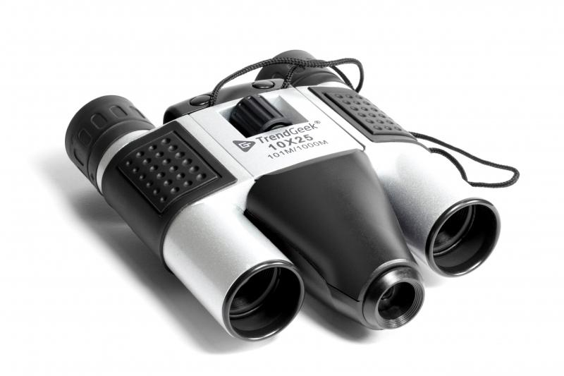
TrendGeek Binocular with Camera TG-125

Item number | 4790 |  | VE | 20
EAN | 4260358129716 |  | Pieces per pallet | 800
Customs number | 90051000 |  | Layers per pallet | 5

Dimensions - item
Length(cm) | Width(cm) | Height(cm) | Weight(g)
13.5 | 9 | 4 | 233

Dimensions - item packaging
Length(cm) | Width(cm) | Height(cm) | Tare(g) | Weight(g) product + packaging
17.2 | 13.5 | 6.5 | 100 | 378

Dimensions - VE box (master box)
Length(cm) | Width(cm) | Height(cm) | Weight(g)
35.5 | 34.5 | 29 | 8000

Packaging - components
Rest of accessories (g) | Paper / cardboard (g) | Styrofoam (g) | Plastic hollow body(g) | Plastic. foils(g) | Composite materials (g)
21 | 20 | 0 | 0 | 4 | 0

Further informations
Technaxx reseller portal

