Worksheet
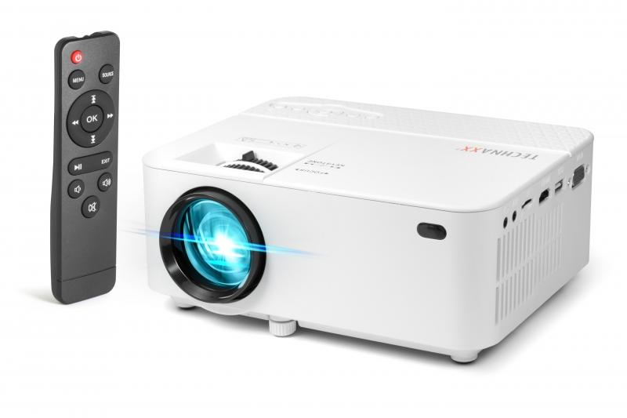
Technaxx Mini LED Beamer TX-113

Item number | 4781 |  | VE | 10
EAN | 4260358123554 |  | Pieces per pallet | 200
Customs number | 85286200 |  | Layers per pallet | 4
UPC | 810016320098
Dimensions - item
Length(inch) | Width(inch) | Height(inch) | Weight(oz)
8.03 | 5.91 | 3.07 | 32,66

Dimensions - item packaging
Length(inch) | Width(inch) | Height(inch) | Tare(oz) | Weight(oz) product + packaging
10.83 | 4.02 | 7.48 | 5,22 | 47,62

Dimensions - VE box (master box)
Length(inch) | Width(inch) | Height(inch) | Weight(oz)
21.46 | 11.42 | 15.55 | 592,60

Packaging - components
Rest of accessories (oz) | Paper / cardboard (oz) | Styrofoam (oz) | Plastic hollow body(oz) | Plastic. foils(oz) | Composite materials (oz)
8,43 | 4,37 | 0,00 | 0,00 | 1,31 | 0,00

Further informations
Technaxx reseller portal

