Worksheet
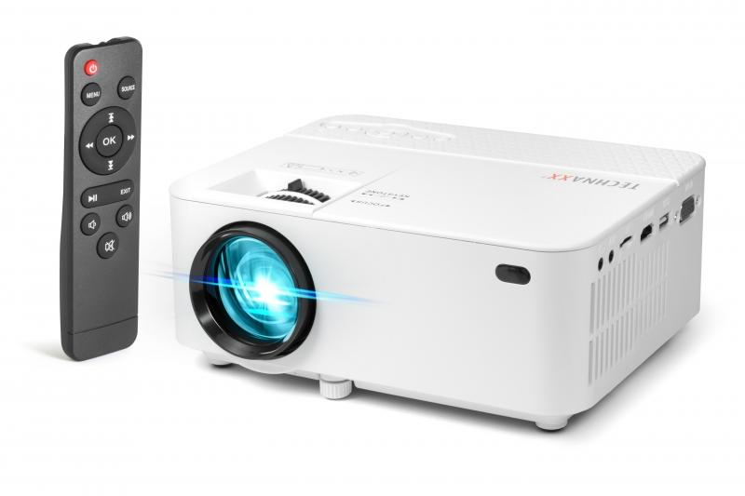
Technaxx Mini LED Beamer TX-113

Item number | 4781 |  | VE | 10
EAN | 4260358123554 |  | Pieces per pallet | 200
Customs number | 85286200 |  | Layers per pallet | 4

Dimensions - item
Length(cm) | Width(cm) | Height(cm) | Weight(g)
20.4 | 15 | 7.8 | 926

Dimensions - item packaging
Length(cm) | Width(cm) | Height(cm) | Tare(g) | Weight(g) product + packaging
27.5 | 10.2 | 19 | 148 | 1350

Dimensions - VE box (master box)
Length(cm) | Width(cm) | Height(cm) | Weight(g)
54.5 | 29 | 39.5 | 16800

Packaging - components
Rest of accessories (g) | Paper / cardboard (g) | Styrofoam (g) | Plastic hollow body(g) | Plastic. foils(g) | Composite materials (g)
239 | 124 | 0 | 0 | 37 | 0

Further informations
Technaxx reseller portal

