Worksheet
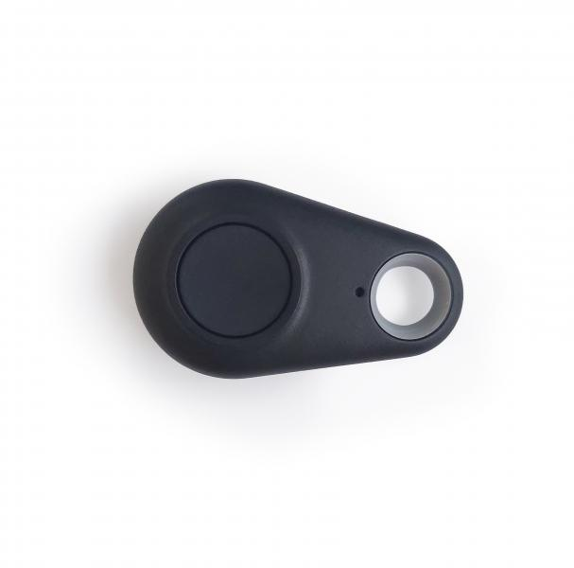
Technaxx Remote Control for Car Alarm with charging function TX-100

Item number | 4767 |  | VE | no information
EAN | 4260358122724 |  | Pieces per pallet | no information
Customs number | 85269200 |  | Layers per pallet | no information
UPC | 810016320470
Dimensions - item
Length(inch) | Width(inch) | Height(inch) | Weight(oz)
2.09 | 1.22 | 0.39 | 0,35

Dimensions - item packaging
Length(inch) | Width(inch) | Height(inch) | Tare(oz) | Weight(oz) product + packaging
2.76 | 1.46 | 0.71 | 0,18 | 0,53

Dimensions - VE box (master box)
Length(inch) | Width(inch) | Height(inch) | Weight(oz)
0 | 0 | 0 | 0,00

Packaging - components
Rest of accessories (oz) | Paper / cardboard (oz) | Styrofoam (oz) | Plastic hollow body(oz) | Plastic. foils(oz) | Composite materials (oz)
0,00 | 0,00 | 0,00 | 0,00 | 0,00 | 0,00

Battery / accumulator informations
Battery needed | Battery included | Type of battery | Battery system(typus)
Yes | Yes | CR2032 | Li - Lithium- Batterie
Quantity(piece) | Weight per piece.(oz) | Energy density(WH/Kg) | Power (WH)
1 | 0,11 | 0 | 0

Lithium battery
Energy content | Weight (oz)
0 | 0,11

Further informations
Technaxx reseller portal

