Worksheet
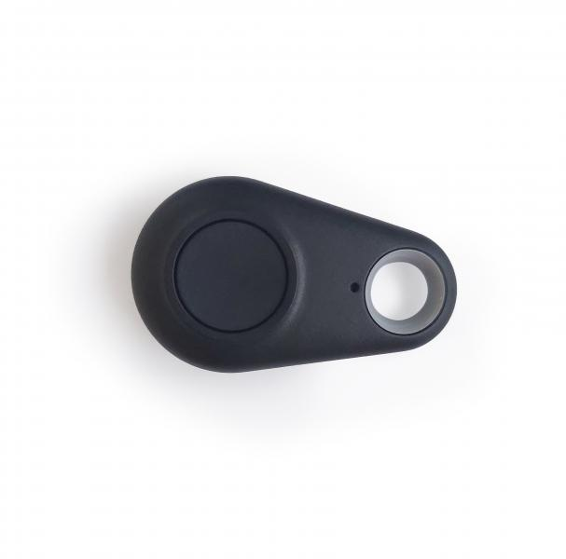
Technaxx Remote Control for Car Alarm with charging function TX-100

Item number | 4767 |  | VE | no information
EAN | 4260358122724 |  | Pieces per pallet | no information
Customs number | 85269200 |  | Layers per pallet | no information

Dimensions - item
Length(cm) | Width(cm) | Height(cm) | Weight(g)
5.3 | 3.1 | 1 | 10

Dimensions - item packaging
Length(cm) | Width(cm) | Height(cm) | Tare(g) | Weight(g) product + packaging
7 | 3.7 | 1.8 | 5 | 15

Dimensions - VE box (master box)
Length(cm) | Width(cm) | Height(cm) | Weight(g)
0 | 0 | 0 | 0

Packaging - components
Rest of accessories (g) | Paper / cardboard (g) | Styrofoam (g) | Plastic hollow body(g) | Plastic. foils(g) | Composite materials (g)
0 | 0 | 0 | 0 | 0 | 0

Battery / accumulator informations
Battery needed | Battery included | Type of battery | Battery system(typus)
Yes | Yes | CR2032 | Li - Lithium- Batterie
Quantity(piece) | Weight per piece.(g) | Energy density(WH/Kg) | Power (WH)
1 | 3 | 0 | 0

Lithium battery
Energy content | Weight (Kg)
0 | 3

Further informations
Technaxx reseller portal

