Worksheet
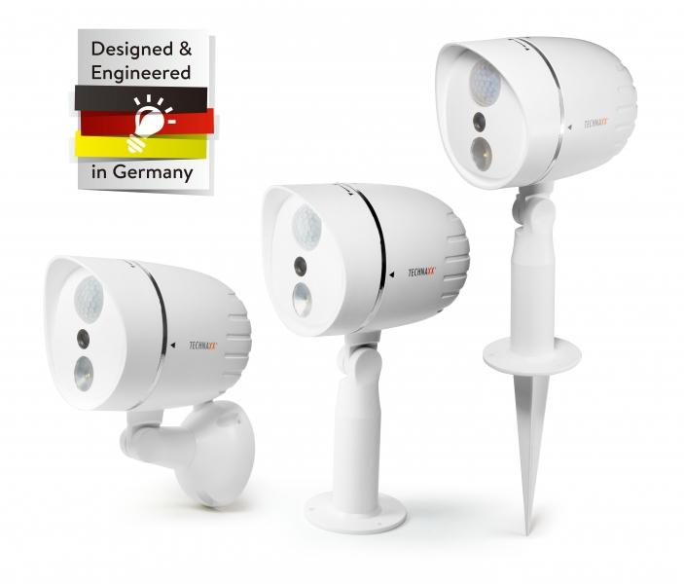
Technaxx HD Outdoor Camera with LED Lamp TX-106 white

Item number | 4758 |  | VE | 12
EAN | 4260358123011 |  | Pieces per pallet | no information
Customs number | 85258100 |  | Layers per pallet | no information
UPC | 810016320067
Dimensions - item
Length(inch) | Width(inch) | Height(inch) | Weight(oz)
5.91 | 4.13 | 7.91 | 13,05

Dimensions - item packaging
Length(inch) | Width(inch) | Height(inch) | Tare(oz) | Weight(oz) product + packaging
10.59 | 8.54 | 5 | 6,53 | 19,40

Dimensions - VE box (master box)
Length(inch) | Width(inch) | Height(inch) | Weight(oz)
22.13 | 18.11 | 16.34 | 352,74

Packaging - components
Rest of accessories (oz) | Paper / cardboard (oz) | Styrofoam (oz) | Plastic hollow body(oz) | Plastic. foils(oz) | Composite materials (oz)
0,00 | 0,00 | 1,41 | 0,00 | 0,00 | 0,00

Further informations
Technaxx reseller portal

