Worksheet
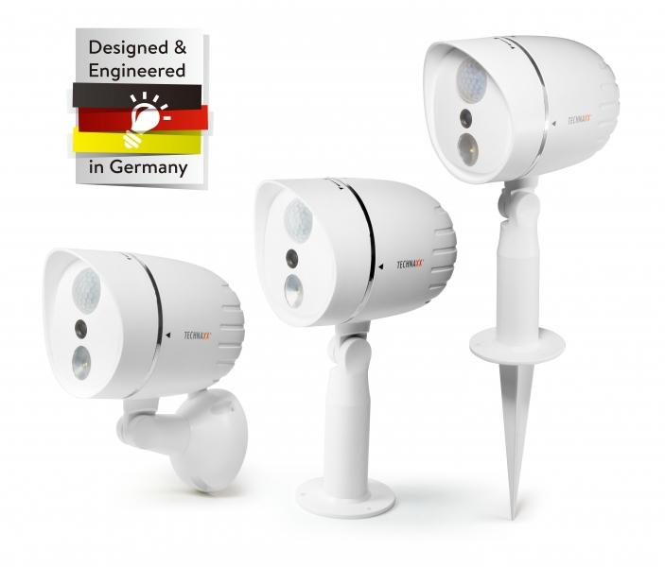
Technaxx HD Outdoor Camera with LED Lamp TX-106 white

Item number | 4758 |  | VE | 12
EAN | 4260358123011 |  | Pieces per pallet | no information
Customs number | 85258100 |  | Layers per pallet | no information

Dimensions - item
Length(cm) | Width(cm) | Height(cm) | Weight(g)
15 | 10.5 | 20.1 | 370

Dimensions - item packaging
Length(cm) | Width(cm) | Height(cm) | Tare(g) | Weight(g) product + packaging
26.9 | 21.7 | 12.7 | 185 | 550

Dimensions - VE box (master box)
Length(cm) | Width(cm) | Height(cm) | Weight(g)
56.2 | 46 | 41.5 | 10000

Packaging - components
Rest of accessories (g) | Paper / cardboard (g) | Styrofoam (g) | Plastic hollow body(g) | Plastic. foils(g) | Composite materials (g)
0 | 0 | 40 | 0 | 0 | 0

Further informations
Technaxx reseller portal

