Worksheet
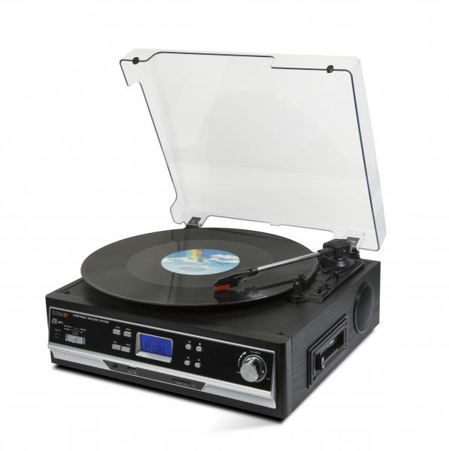
Technaxx BT Record and Cassette Converter TX-22+

Item number | 4717 |  | VE | 2
EAN | 4260101739919 |  | Pieces per pallet | 48
Customs number | 85198900 |  | Layers per pallet | 4
UPC | 0
Dimensions - item
Length(inch) | Width(inch) | Height(inch) | Weight(oz)
12.72 | 11.85 | 5.2 | 105,82

Dimensions - item packaging
Length(inch) | Width(inch) | Height(inch) | Tare(oz) | Weight(oz) product + packaging
14.25 | 7.28 | 14.29 | 12,35 | 137,57

Dimensions - VE box (master box)
Length(inch) | Width(inch) | Height(inch) | Weight(oz)
15.35 | 15.55 | 15.55 | 255,38

Packaging - components
Rest of accessories (oz) | Paper / cardboard (oz) | Styrofoam (oz) | Plastic hollow body(oz) | Plastic. foils(oz) | Composite materials (oz)
0,35 | 5,64 | 2,75 | 0,00 | 1,06 | 0,00

Further informations
Technaxx reseller portal

