Worksheet
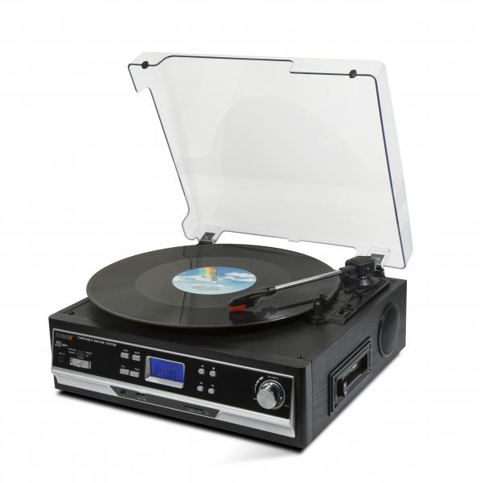
Technaxx BT Record and Cassette Converter TX-22+

Item number | 4717 |  | VE | 2
EAN | 4260101739919 |  | Pieces per pallet | 48
Customs number | 85198900 |  | Layers per pallet | 4

Dimensions - item
Length(cm) | Width(cm) | Height(cm) | Weight(g)
32.3 | 30.1 | 13.2 | 3000

Dimensions - item packaging
Length(cm) | Width(cm) | Height(cm) | Tare(g) | Weight(g) product + packaging
36.2 | 18.5 | 36.3 | 350 | 3900

Dimensions - VE box (master box)
Length(cm) | Width(cm) | Height(cm) | Weight(g)
39 | 39.5 | 39.5 | 7240

Packaging - components
Rest of accessories (g) | Paper / cardboard (g) | Styrofoam (g) | Plastic hollow body(g) | Plastic. foils(g) | Composite materials (g)
10 | 160 | 78 | 0 | 30 | 0

Further informations
Technaxx reseller portal

