Worksheet
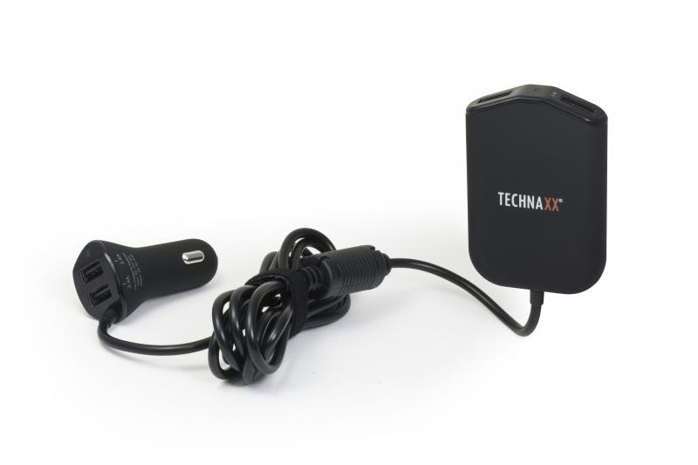
Technaxx Family Car Charger TE14

Item number | 4708 |  | VE | 60
EAN | 4260358121024 |  | Pieces per pallet | 960
Customs number | 8504408790 |  | Layers per pallet | 4
UPC | 0
Dimensions - item
Length(inch) | Width(inch) | Height(inch) | Weight(oz)
2.13 | 0.98 | 3.15 | 4,59

Dimensions - item packaging
Length(inch) | Width(inch) | Height(inch) | Tare(oz) | Weight(oz) product + packaging
5.71 | 2.24 | 6.3 | 1,06 | 7,05

Dimensions - VE box (master box)
Length(inch) | Width(inch) | Height(inch) | Weight(oz)
19.29 | 15.16 | 16.54 | 493,84

Packaging - components
Rest of accessories (oz) | Paper / cardboard (oz) | Styrofoam (oz) | Plastic hollow body(oz) | Plastic. foils(oz) | Composite materials (oz)
0,00 | 0,81 | 0,00 | 0,67 | 0,00 | 0,00

Further informations
Technaxx reseller portal

