Worksheet
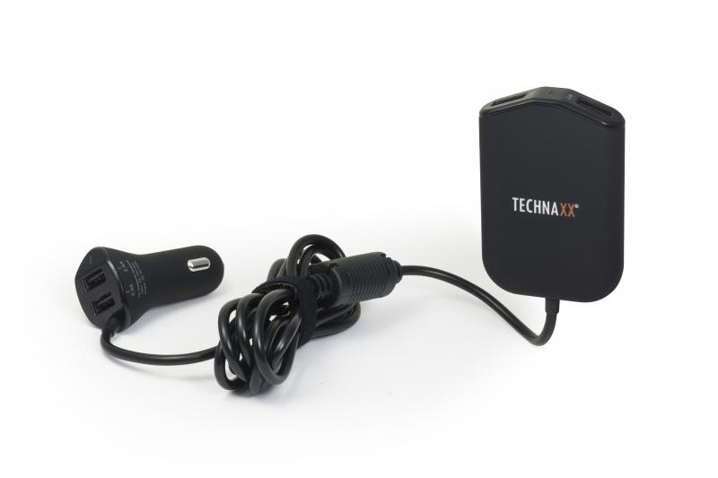
Technaxx Family Car Charger TE14

Item number | 4708 |  | VE | 60
EAN | 4260358121024 |  | Pieces per pallet | 960
Customs number | 8504408790 |  | Layers per pallet | 4

Dimensions - item
Length(cm) | Width(cm) | Height(cm) | Weight(g)
5.4 | 2.5 | 8 | 130

Dimensions - item packaging
Length(cm) | Width(cm) | Height(cm) | Tare(g) | Weight(g) product + packaging
14.5 | 5.7 | 16 | 30 | 200

Dimensions - VE box (master box)
Length(cm) | Width(cm) | Height(cm) | Weight(g)
49 | 38.5 | 42 | 14000

Packaging - components
Rest of accessories (g) | Paper / cardboard (g) | Styrofoam (g) | Plastic hollow body(g) | Plastic. foils(g) | Composite materials (g)
0 | 23 | 0 | 19 | 0 | 0

Further informations
Technaxx reseller portal

