Worksheet
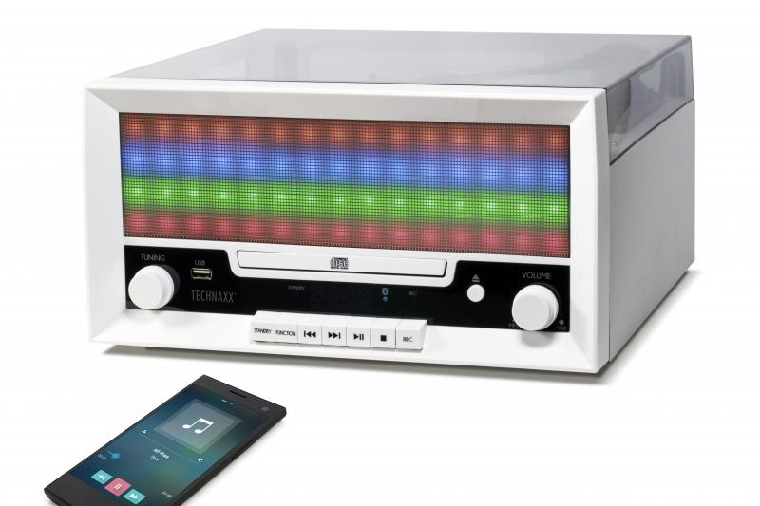
Technaxx Bluetooth LED Record & CD Digitizer TX-94

Item number | 4704 |  | VE | 2
EAN | 4260101739926 |  | Pieces per pallet | 32
Customs number | 85279199900 |  | Layers per pallet | no information
UPC | 0
Dimensions - item
Length(inch) | Width(inch) | Height(inch) | Weight(oz)
13.46 | 12.48 | 6.69 | 127,69

Dimensions - item packaging
Length(inch) | Width(inch) | Height(inch) | Tare(oz) | Weight(oz) product + packaging
14.96 | 8.98 | 16.85 | 15,52 | 162,26

Dimensions - VE box (master box)
Length(inch) | Width(inch) | Height(inch) | Weight(oz)
18.9 | 15.55 | 17.6 | 345,68

Packaging - components
Rest of accessories (oz) | Paper / cardboard (oz) | Styrofoam (oz) | Plastic hollow body(oz) | Plastic. foils(oz) | Composite materials (oz)
4,94 | 0,71 | 3,53 | 0,00 | 0,71 | 0,00

Further informations
Technaxx reseller portal

