Worksheet
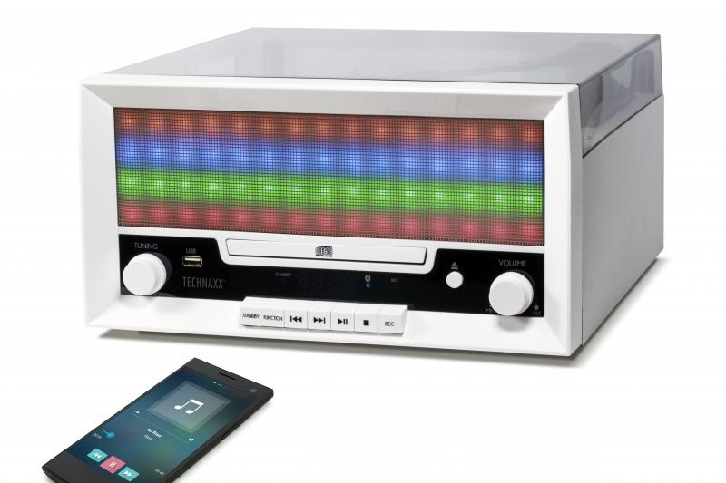
Technaxx Bluetooth LED Record & CD Digitizer TX-94

Item number | 4704 |  | VE | 2
EAN | 4260101739926 |  | Pieces per pallet | 32
Customs number | 85279199900 |  | Layers per pallet | no information

Dimensions - item
Length(cm) | Width(cm) | Height(cm) | Weight(g)
34.2 | 31.7 | 17 | 3620

Dimensions - item packaging
Length(cm) | Width(cm) | Height(cm) | Tare(g) | Weight(g) product + packaging
38 | 22.8 | 42.8 | 440 | 4600

Dimensions - VE box (master box)
Length(cm) | Width(cm) | Height(cm) | Weight(g)
48 | 39.5 | 44.7 | 9800

Packaging - components
Rest of accessories (g) | Paper / cardboard (g) | Styrofoam (g) | Plastic hollow body(g) | Plastic. foils(g) | Composite materials (g)
140 | 20 | 100 | 0 | 20 | 0

Further informations
Technaxx reseller portal

