Worksheet
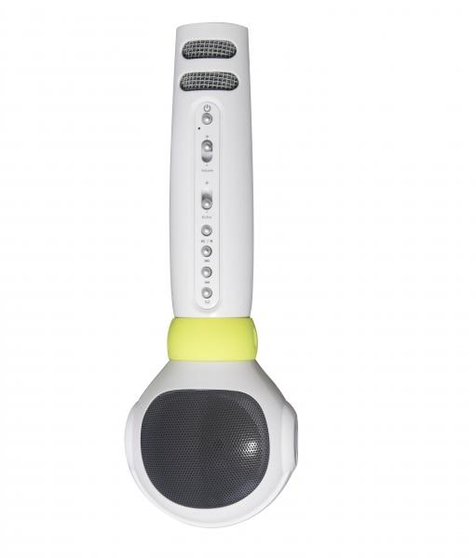
MusicMan® Karaoke Microphone Kids BT-X36

Item number | 4687 |  | VE | 20
EAN | 4260358121857 |  | Pieces per pallet | 400
Customs number | 85181000 |  | Layers per pallet | 4
UPC | 0
Dimensions - item
Length(inch) | Width(inch) | Height(inch) | Weight(oz)
8.66 | 1.38 | 2.95 | 7,05

Dimensions - item packaging
Length(inch) | Width(inch) | Height(inch) | Tare(oz) | Weight(oz) product + packaging
3.15 | 3.86 | 9.72 | 1,69 | 11,64

Dimensions - VE box (master box)
Length(inch) | Width(inch) | Height(inch) | Weight(oz)
16.93 | 16.38 | 11.42 | 261,03

Packaging - components
Rest of accessories (oz) | Paper / cardboard (oz) | Styrofoam (oz) | Plastic hollow body(oz) | Plastic. foils(oz) | Composite materials (oz)
0,81 | 0,95 | 0,00 | 1,09 | 0,00 | 0,00

Battery / accumulator informations
Battery needed | Battery included | Type of battery | Battery system(typus)
Yes | Yes | Akku | Li-Ion - Lithium-Ionen-Akku
Quantity(piece) | Weight per piece.(oz) | Energy density(WH/Kg) | Power (WH)
1 | 1,59 | 0 | 0

Lithium battery
Energy content | Weight (oz)
2 | 1,59

Further informations
Technaxx reseller portal

