Worksheet
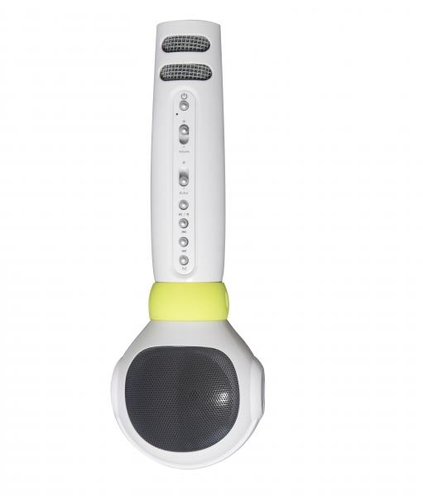
MusicMan® Karaoke Microphone Kids BT-X36

Item number | 4687 |  | VE | 20
EAN | 4260358121857 |  | Pieces per pallet | 400
Customs number | 85181000 |  | Layers per pallet | 4

Dimensions - item
Length(cm) | Width(cm) | Height(cm) | Weight(g)
22 | 3.5 | 7.5 | 200

Dimensions - item packaging
Length(cm) | Width(cm) | Height(cm) | Tare(g) | Weight(g) product + packaging
8 | 9.8 | 24.7 | 48 | 330

Dimensions - VE box (master box)
Length(cm) | Width(cm) | Height(cm) | Weight(g)
43 | 41.6 | 29 | 7400

Packaging - components
Rest of accessories (g) | Paper / cardboard (g) | Styrofoam (g) | Plastic hollow body(g) | Plastic. foils(g) | Composite materials (g)
23 | 27 | 0 | 31 | 0 | 0

Battery / accumulator informations
Battery needed | Battery included | Type of battery | Battery system(typus)
Yes | Yes | Akku | Li-Ion - Lithium-Ionen-Akku
Quantity(piece) | Weight per piece.(g) | Energy density(WH/Kg) | Power (WH)
1 | 45 | 0 | 0

Lithium battery
Energy content | Weight (Kg)
2 | 45

Further informations
Technaxx reseller portal

