Worksheet
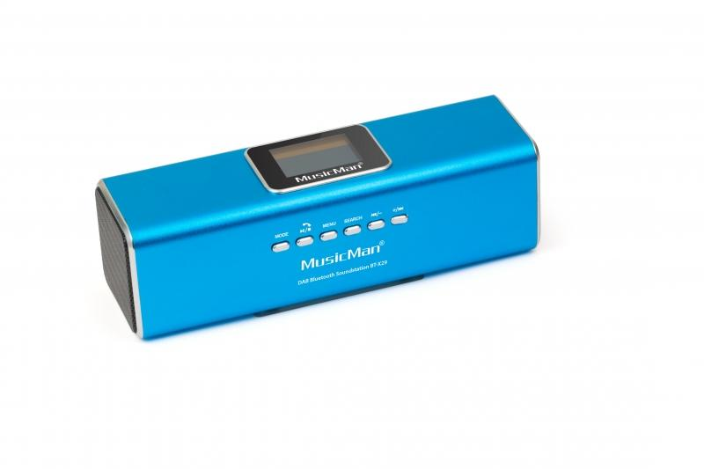
MusicMan DAB Bluetooth Soundstation BT-X29 blue

Item number | 4671 |  | VE | 60
EAN | 4260358121819 |  | Pieces per pallet | 1200
Customs number | 85271300 |  | Layers per pallet | no information

Dimensions - item
Length(cm) | Width(cm) | Height(cm) | Weight(g)
16.3 | 5 | 5.5 | 190

Dimensions - item packaging
Length(cm) | Width(cm) | Height(cm) | Tare(g) | Weight(g) product + packaging
21 | 6 | 8.2 | 30 | 300

Dimensions - VE box (master box)
Length(cm) | Width(cm) | Height(cm) | Weight(g)
43.8 | 38.3 | 42 | 16500

Packaging - components
Rest of accessories (g) | Paper / cardboard (g) | Styrofoam (g) | Plastic hollow body(g) | Plastic. foils(g) | Composite materials (g)
52 | 20 | 0 | 19 | 0 | 0

Battery / accumulator informations
Battery needed | Battery included | Type of battery | Battery system(typus)
Yes | Yes | Akku | Li-Ion - Lithium-Ionen-Akku
Quantity(piece) | Weight per piece.(g) | Energy density(WH/Kg) | Power (WH)
1 | 18 | 0 | 0

Lithium battery
Energy content | Weight (Kg)
0.6 | 18

Further informations
Technaxx reseller portal

