Worksheet
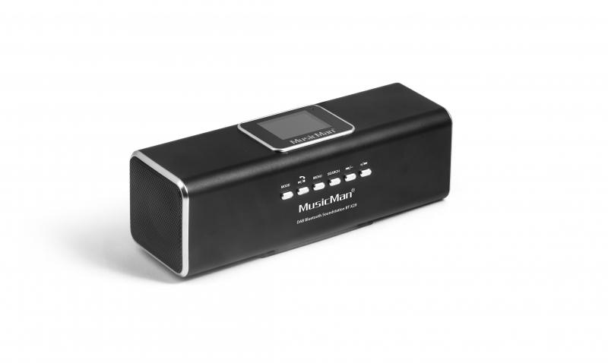
MusicMan DAB Bluetooth Soundstation BT-X29 black

Item number | 4663 |  | VE | 60
EAN | 4260358121796 |  | Pieces per pallet | 1200
Customs number | 85271300 |  | Layers per pallet | no information
UPC | 0
Dimensions - item
Length(inch) | Width(inch) | Height(inch) | Weight(oz)
6.42 | 1.97 | 2.17 | 6,70

Dimensions - item packaging
Length(inch) | Width(inch) | Height(inch) | Tare(oz) | Weight(oz) product + packaging
8.27 | 2.36 | 3.23 | 1,06 | 10,58

Dimensions - VE box (master box)
Length(inch) | Width(inch) | Height(inch) | Weight(oz)
17.24 | 15.08 | 16.54 | 582,02

Packaging - components
Rest of accessories (oz) | Paper / cardboard (oz) | Styrofoam (oz) | Plastic hollow body(oz) | Plastic. foils(oz) | Composite materials (oz)
1,83 | 0,71 | 0,00 | 0,67 | 0,00 | 0,00

Battery / accumulator informations
Battery needed | Battery included | Type of battery | Battery system(typus)
Yes | Yes | Akku | Li-Ion - Lithium-Ionen-Akku
Quantity(piece) | Weight per piece.(oz) | Energy density(WH/Kg) | Power (WH)
1 | 0,63 | 0 | 0

Lithium battery
Energy content | Weight (oz)
0.6 | 0,63

Further informations
Technaxx reseller portal

