Worksheet
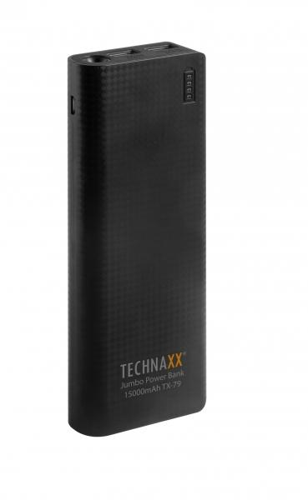
Technaxx Jumbo Power Bank 15000mAh TX-79

Item number | 4647 |  | VE | 20
EAN | 4260358120638 |  | Pieces per pallet | 1680
Customs number | 85044055900 |  | Layers per pallet | no information
UPC | 0
Dimensions - item
Length(inch) | Width(inch) | Height(inch) | Weight(oz)
6.3 | 2.56 | 0.79 | 12,35

Dimensions - item packaging
Length(inch) | Width(inch) | Height(inch) | Tare(oz) | Weight(oz) product + packaging
8.07 | 4.53 | 1.06 | 0,00 | 14,11

Dimensions - VE box (master box)
Length(inch) | Width(inch) | Height(inch) | Weight(oz)
12.68 | 9.84 | 9.33 | 317,47

Packaging - components
Rest of accessories (oz) | Paper / cardboard (oz) | Styrofoam (oz) | Plastic hollow body(oz) | Plastic. foils(oz) | Composite materials (oz)
0,00 | 0,00 | 0,00 | 0,00 | 0,00 | 0,00

Further informations
Technaxx reseller portal

