Worksheet
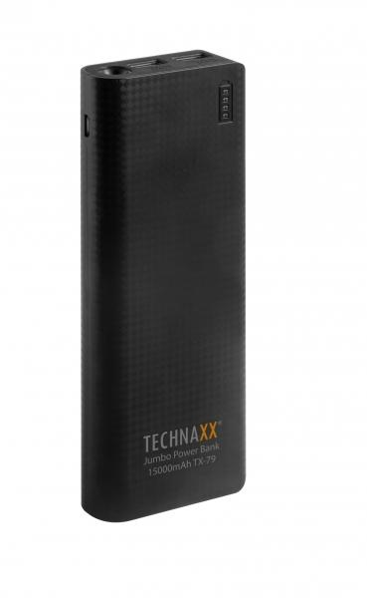
Technaxx Jumbo Power Bank 15000mAh TX-79

Item number | 4647 |  | VE | 20
EAN | 4260358120638 |  | Pieces per pallet | 1680
Customs number | 85044055900 |  | Layers per pallet | no information

Dimensions - item
Length(cm) | Width(cm) | Height(cm) | Weight(g)
16 | 6.5 | 2 | 350

Dimensions - item packaging
Length(cm) | Width(cm) | Height(cm) | Tare(g) | Weight(g) product + packaging
20.5 | 11.5 | 2.7 | 0 | 400

Dimensions - VE box (master box)
Length(cm) | Width(cm) | Height(cm) | Weight(g)
32.2 | 25 | 23.7 | 9000

Packaging - components
Rest of accessories (g) | Paper / cardboard (g) | Styrofoam (g) | Plastic hollow body(g) | Plastic. foils(g) | Composite materials (g)
0 | 0 | 0 | 0 | 0 | 0

Further informations
Technaxx reseller portal

