Worksheet
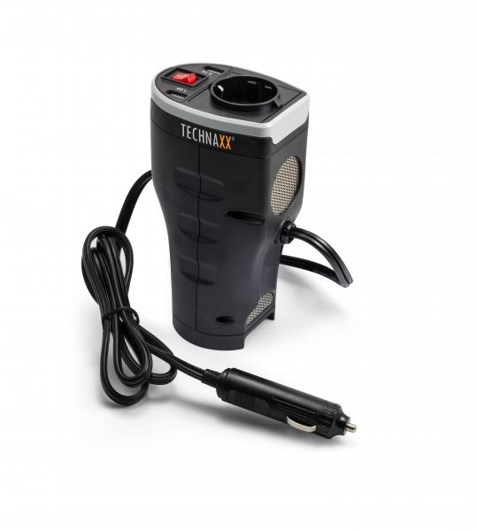
Technaxx Car Power Inverter with 2 USB Ports TE13

Item number | 4645 |  | VE | 12
EAN | 4260358121079 |  | Pieces per pallet | 576
Customs number | 8504408790 |  | Layers per pallet | 8
UPC | 0
Dimensions - item
Length(inch) | Width(inch) | Height(inch) | Weight(oz)
3.94 | 2.76 | 6.77 | 14,11

Dimensions - item packaging
Length(inch) | Width(inch) | Height(inch) | Tare(oz) | Weight(oz) product + packaging
5 | 3.15 | 7.28 | 2,65 | 18,34

Dimensions - VE box (master box)
Length(inch) | Width(inch) | Height(inch) | Weight(oz)
8.27 | 13.39 | 15.75 | 222,23

Packaging - components
Rest of accessories (oz) | Paper / cardboard (oz) | Styrofoam (oz) | Plastic hollow body(oz) | Plastic. foils(oz) | Composite materials (oz)
0,00 | 0,60 | 0,00 | 0,00 | 0,21 | 0,00

Further informations
Technaxx reseller portal

