Worksheet
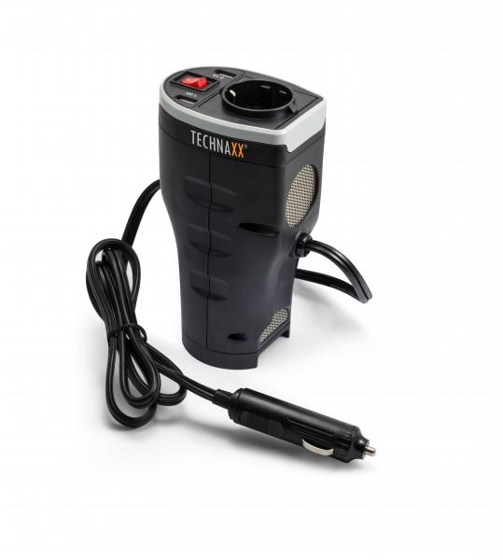
Technaxx Car Power Inverter with 2 USB Ports TE13

Item number | 4645 |  | VE | 12
EAN | 4260358121079 |  | Pieces per pallet | 576
Customs number | 8504408790 |  | Layers per pallet | 8

Dimensions - item
Length(cm) | Width(cm) | Height(cm) | Weight(g)
10 | 7 | 17.2 | 400

Dimensions - item packaging
Length(cm) | Width(cm) | Height(cm) | Tare(g) | Weight(g) product + packaging
12.7 | 8 | 18.5 | 75 | 520

Dimensions - VE box (master box)
Length(cm) | Width(cm) | Height(cm) | Weight(g)
21 | 34 | 40 | 6300

Packaging - components
Rest of accessories (g) | Paper / cardboard (g) | Styrofoam (g) | Plastic hollow body(g) | Plastic. foils(g) | Composite materials (g)
0 | 17 | 0 | 0 | 6 | 0

Further informations
Technaxx reseller portal

