Worksheet
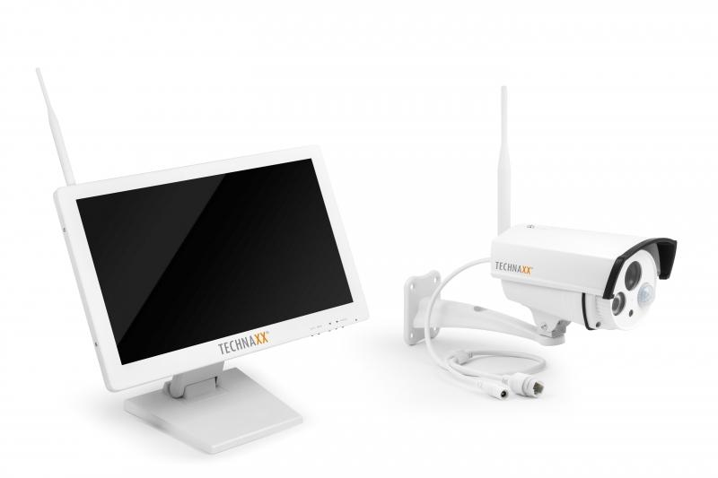
Technaxx Premium Security Surveillance Camera Set 18.5 Monitor TX-30

Item number | 4642 |  | VE | 2
EAN | 4260101737649 |  | Pieces per pallet | 24
Customs number | 85287220 |  | Layers per pallet | 3
UPC | 0
Dimensions - item
Length(inch) | Width(inch) | Height(inch) | Weight(oz)
18.11 | 2.28 | 11.22 | 194,01

Dimensions - item packaging
Length(inch) | Width(inch) | Height(inch) | Tare(oz) | Weight(oz) product + packaging
20.47 | 8.66 | 14.17 | 24,69 | 258,21

Dimensions - VE box (master box)
Length(inch) | Width(inch) | Height(inch) | Weight(oz)
21.65 | 18.7 | 15.55 | 567,91

Packaging - components
Rest of accessories (oz) | Paper / cardboard (oz) | Styrofoam (oz) | Plastic hollow body(oz) | Plastic. foils(oz) | Composite materials (oz)
21,87 | 2,82 | 0,00 | 0,00 | 5,64 | 0,00

Further informations
Technaxx reseller portal

