Worksheet
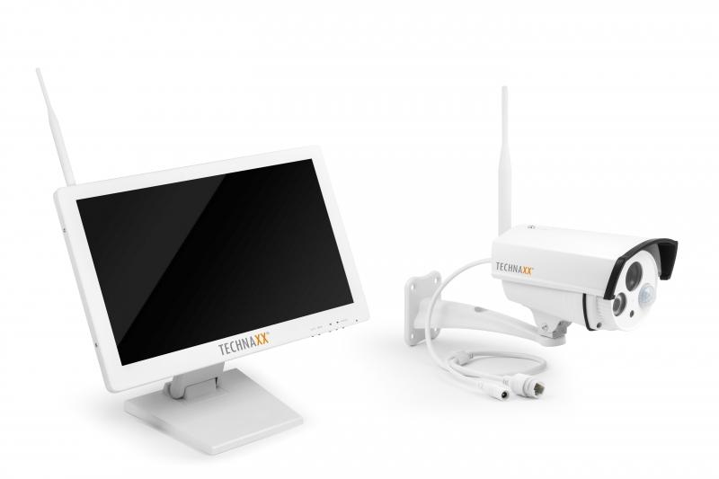
Technaxx Premium Security Surveillance Camera Set 18.5 Monitor TX-30

Item number | 4642 |  | VE | 2
EAN | 4260101737649 |  | Pieces per pallet | 24
Customs number | 85287220 |  | Layers per pallet | 3

Dimensions - item
Length(cm) | Width(cm) | Height(cm) | Weight(g)
46 | 5.8 | 28.5 | 5500

Dimensions - item packaging
Length(cm) | Width(cm) | Height(cm) | Tare(g) | Weight(g) product + packaging
52 | 22 | 36 | 700 | 7320

Dimensions - VE box (master box)
Length(cm) | Width(cm) | Height(cm) | Weight(g)
55 | 47.5 | 39.5 | 16100

Packaging - components
Rest of accessories (g) | Paper / cardboard (g) | Styrofoam (g) | Plastic hollow body(g) | Plastic. foils(g) | Composite materials (g)
620 | 80 | 0 | 0 | 160 | 0

Further informations
Technaxx reseller portal

