Worksheet
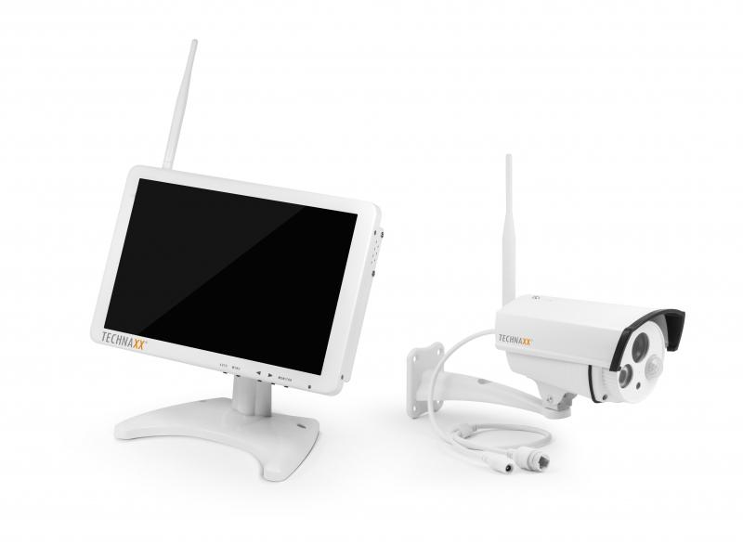
Technaxx Premium Security Surveillance Camera Set 10.1 Monitor TX-29

Item number | 4641 |  | VE | 4
EAN | 4260101737632 |  | Pieces per pallet | 112
Customs number | 85287220 |  | Layers per pallet | 7
UPC | 0
Dimensions - item
Length(inch) | Width(inch) | Height(inch) | Weight(oz)
9.84 | 1.42 | 6.54 | 35,27

Dimensions - item packaging
Length(inch) | Width(inch) | Height(inch) | Tare(oz) | Weight(oz) product + packaging
10.83 | 7.28 | 7.28 | 7,05 | 77,60

Dimensions - VE box (master box)
Length(inch) | Width(inch) | Height(inch) | Weight(oz)
15.94 | 12.01 | 16.14 | 416,23

Packaging - components
Rest of accessories (oz) | Paper / cardboard (oz) | Styrofoam (oz) | Plastic hollow body(oz) | Plastic. foils(oz) | Composite materials (oz)
30,69 | 3,53 | 0,00 | 0,00 | 1,06 | 0,00

Further informations
Technaxx reseller portal

