Worksheet
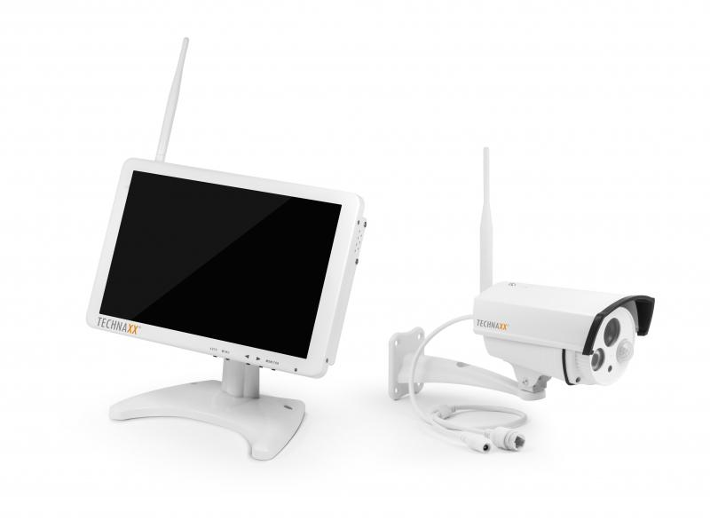
Technaxx Premium Security Surveillance Camera Set 10.1 Monitor TX-29

Item number | 4641 |  | VE | 4
EAN | 4260101737632 |  | Pieces per pallet | 112
Customs number | 85287220 |  | Layers per pallet | 7

Dimensions - item
Length(cm) | Width(cm) | Height(cm) | Weight(g)
25 | 3.6 | 16.6 | 1000

Dimensions - item packaging
Length(cm) | Width(cm) | Height(cm) | Tare(g) | Weight(g) product + packaging
27.5 | 18.5 | 18.5 | 200 | 2200

Dimensions - VE box (master box)
Length(cm) | Width(cm) | Height(cm) | Weight(g)
40.5 | 30.5 | 41 | 11800

Packaging - components
Rest of accessories (g) | Paper / cardboard (g) | Styrofoam (g) | Plastic hollow body(g) | Plastic. foils(g) | Composite materials (g)
870 | 100 | 0 | 0 | 30 | 0

Further informations
Technaxx reseller portal

