Worksheet
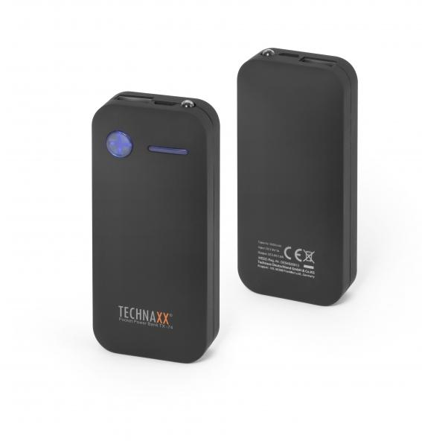
Technaxx Pocket Power Bank 5000mAh TX-74

Item number | 4636 |  | VE | 50
EAN | 4260358120614 |  | Pieces per pallet | no information
Customs number | 85044055900 |  | Layers per pallet | no information
UPC | 0
Dimensions - item
Length(inch) | Width(inch) | Height(inch) | Weight(oz)
3.66 | 1.69 | 0.87 | 4,59

Dimensions - item packaging
Length(inch) | Width(inch) | Height(inch) | Tare(oz) | Weight(oz) product + packaging
3.54 | 6.69 | 0.79 | 0,00 | 6,35

Dimensions - VE box (master box)
Length(inch) | Width(inch) | Height(inch) | Weight(oz)
18.5 | 10.63 | 7.87 | 359,09

Packaging - components
Rest of accessories (oz) | Paper / cardboard (oz) | Styrofoam (oz) | Plastic hollow body(oz) | Plastic. foils(oz) | Composite materials (oz)
0,00 | 0,00 | 0,00 | 0,00 | 0,00 | 0,00

Further informations
Technaxx reseller portal

