Worksheet
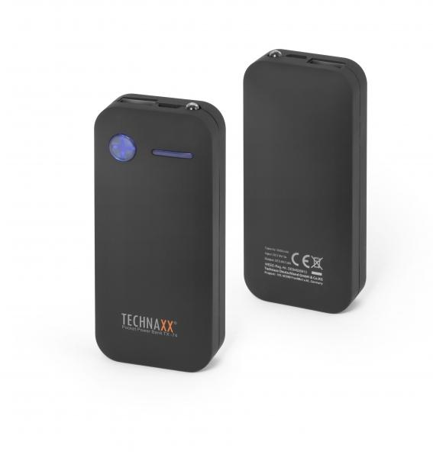
Technaxx Pocket Power Bank 5000mAh TX-74

Item number | 4636 |  | VE | 50
EAN | 4260358120614 |  | Pieces per pallet | no information
Customs number | 85044055900 |  | Layers per pallet | no information

Dimensions - item
Length(cm) | Width(cm) | Height(cm) | Weight(g)
9.3 | 4.3 | 2.2 | 130

Dimensions - item packaging
Length(cm) | Width(cm) | Height(cm) | Tare(g) | Weight(g) product + packaging
9 | 17 | 2 | 0 | 180

Dimensions - VE box (master box)
Length(cm) | Width(cm) | Height(cm) | Weight(g)
47 | 27 | 20 | 10180

Packaging - components
Rest of accessories (g) | Paper / cardboard (g) | Styrofoam (g) | Plastic hollow body(g) | Plastic. foils(g) | Composite materials (g)
0 | 0 | 0 | 0 | 0 | 0

Further informations
Technaxx reseller portal

